Sheet1
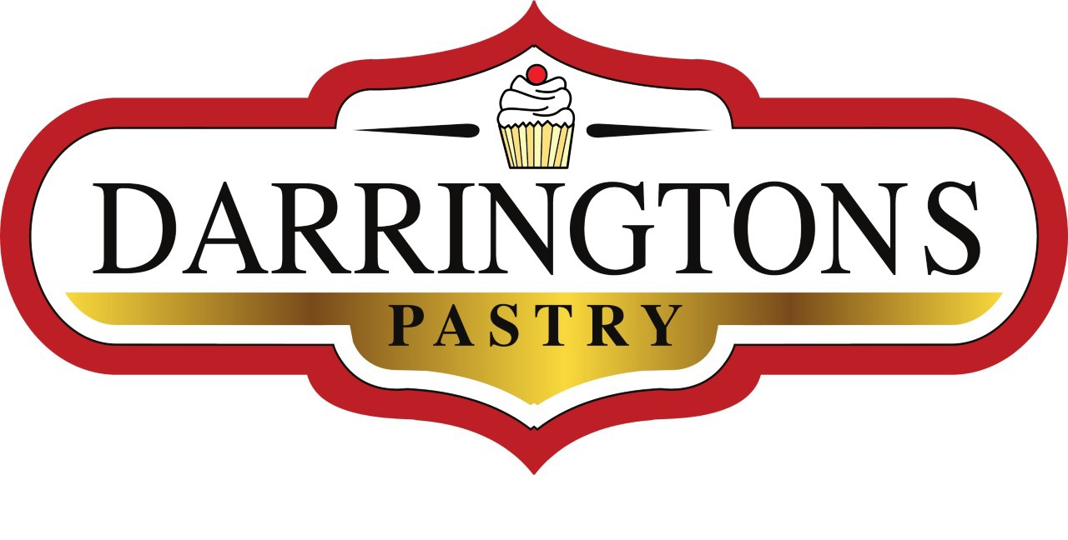 |  |  | 3/285 Great Eastern Highway,BURSWOOD 6100, WA Phone. 0452 260 680 Email Orders to: orders@Darringtons.com.au WEBSITE: www.Darringtons.com.au
DARRINGTONS PASTRY ORDER FORM
Curry Pie | $6.50 | 0.00 | Most items are available for next day for pick up, if a product is not available we will contact you. Pick Up available during regular business hours, Sun/Tues/Wed/Thur 8-2pm and Fri/Sat 8-4pm Prices effective 04/08/2020. Prices subject to change. Visit: https://www.darringtons.com.au/
Lentil Shepherd's Pie | $6.50 | 0.00
Mushroom & Lentil Pie | $6.50 | 0.00
Thai "Chicken" Pie | $6.50 | 0.00
Curried Jackfruit Pie | $6.50 | 0.00
Family Pie Lentil Shepherd's (4- 6 Serves) | $20.00 | 0.00
Family Curry Pie (4- 6 Serves) | $20.00 | 0.00
Family Pie Thai "Chicken" (4- 6 Serves) | $20.00 | 0.00
Pumpkin & Spinach Quiche | $5.00 | 0.00
Mushroom & Lentil Sausage Roll | $5.00 | 0.00
FINGER FOOD
Mushroom Arancini Small (12 pieces) | $15.00 | 0.00
Cauliflower Mac & Cheese Bites (6 pieces) | $15.00 | 0.00
Curry Puffs (6 pieces) | $10.00 | 0.00
Mini Pumpkin & Spinach Quiche (6 pieces) | $10.00 | 0.00
Mini Lentil Shepard Party Pies (6 pieces) | $10.00 | 0.00
Party Sausage Rolls (6 pieces) | $10.00 | 0.00 | Contact Details
Apple Turnovers (6 pieces) | $10.00 | 0.00
BREADS |  |  | NAME:
Buckwheat Sandwich Loaf (Sliced) | $9.00 | 0.00 | PHONE:
Pumpkin Loaf (Sliced) | $9.50 | 0.00 | ADDRESS:
Fruit Loaf (Sliced) | $9.50 | 0.00
Olive Bread (Sliced) | $9.50 | 0.00 | SUBURB:
Cob Loaf (Unsliced) | $8.00 | 0.00 | POST CODE:
Banana Bread | $12.00 | 0.00
Baguettes | $8.00 | 0.00
Pizza Bases (2pack) | $8.00 | 0.00 | PICK UP TIME:
Rolls (4 pack) | $8.00 | 0.00 | PICK UP DAY:
Cinnamon Scrolls | $5.00 | 0.00
DONUTS
Cinnamon Donuts (6) | $12.00 | 0.00 | PLEASE ADD SPECIAL INSTRUCTIONS
Chocolate Glazed Donuts (6) | $16.00 | 0.00
Strawberry Glazed Donuts (6) | $16.00 | 0.00
Mixed Box (2 Cinnamon & 4 Glazed) | $14.00 | 0.00
SWEETS
Vanilla Slice | $5.00 | 0.00
Caramel Slice | $5.00 | 0.00
Cherry Slice | $5.00 | 0.00
"Wagon Wheels" | $6.50 | 0.00
"Tim Tams" | $5.00 | 0.00
"Mint Slice" | $5.00 | 0.00
Cannoli | $4.50 | 0.00
Bannoffee Pie | $5.50 | 0.00
Fruit Tarts | $5.50 | 0.00
Ganache Tart | $4.00 | 0.00
Apple Crumble | $4.50 | 0.00
Lemon Meringue Pie (subject to avaliability) | $6.50 | 0.00
Banana & Choc Chip Muffins | $5.00 | 0.00
FAMILY DESSERTS
Family Apple Crumble (6-8 Serves) | $30.00 | 0.00
Family Lemon Meringue Pie (6-8 Serves) | $35.00 | 0.00
Family Fruit Tart (6-8serves) | $35.00 | 0.00
Mud Cake (6 serves) | $15.00 | 0.00
 | ORDER TOTAL | $0.00

