Sheet1
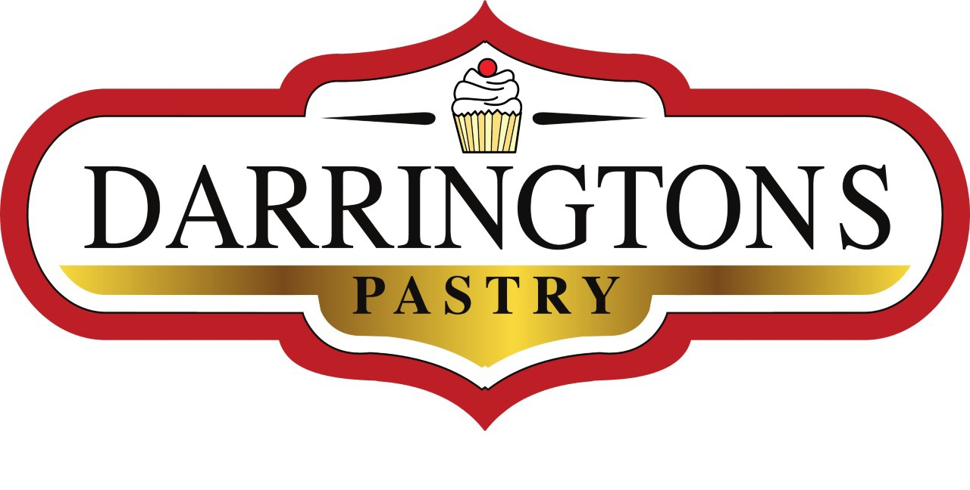 |  |  | 3/285 Great Eastern Highway,BURSWOOD 6100, WA Phone. 0452 260 680 Email Orders to: info@Darringtons.com.au WEBSITE: www.Darringtons.com.au
DARRINGTONS PASTRY ORDER FORM |  |  | PLEASE SELECT | DELIVERY | PICK UP
Curry Pie | $6.50 | 0.00 | Minimum order for FREE delivery is $50.00. No minimum with Pick Up orders. Orders to be received by Monday 1pm for delivery on Tuesday & Wednesday. If an order is last minute, please call 0452260680 for stock availability. Darringtons Delivery is available from 2pm to 6pm, Tuesdays & Wednesdays. We are unable to give specific delivery times due to uncertain delivery locations. No responsibiltity accepted for condition of unattended delivery. Pick Up available during regular business hours, Sun/Tues/Wed/Thur 8-2pm and Fri/Sat 8-4pm Prices effective 26/03/2020. Prices subject to change. Some products availability may be affected by ingredient supply/shortage.. Visit: https://www.darringtons.com.au/
Lentil Shepherd's Pie | $6.50 | 0.00
Mushroom & Lentil Pie | $6.50 | 0.00
Thai "Chicken" Pie | $6.50 | 0.00
Curried Jackfruit Pie | $6.50 | 0.00
Family Pie Lentil Shepherd's (6-8 Serves) | $20.00 | 0.00
Family Pie Thai "Chicken" (4 Serves) | $15.00 | 0.00
Pumpkin & Spinach Quiche | $5.00 | 0.00
Mushroom & Lentil Sausage Roll | $5.00 | 0.00
FINGER FOOD
Mushroom Arancini Small (12 pieces) | $15.00 | 0.00
Mushroom Arancini Large (4 pieces) | $15.00 | 0.00
Curry Puffs (6 pieces) | $10.00 | 0.00
Mini Pumpkin & Spinach Quiche (6 pieces) | $10.00 | 0.00
Vegetable Party Pies (6 pieces) | $10.00 | 0.00 | CONTACT DETAILS & DELIVERY ADDRESS
Party Sausage Rolls (6 pieces) | $10.00 | 0.00
Spinach & Chickpea Parcels (6 pieces) | $10.00 | 0.00 | NAME:
BREADS |  |  | PHONE:
Buckwheat Sandwich Loaf (Sliced) | $8.00 | 0.00 | ADDRESS:
Pumpkin Loaf (Sliced) | $9.00 | 0.00
Fruit Loaf (Sliced) | $9.00 | 0.00 | SUBURB:
Olive Bread (Sliced) | $9.00 | 0.00 | POST CODE:
Cob Loaf (Unsliced) | $8.00 | 0.00
Banana Bread | $15.00 | 0.00
Baguettes | $8.00 | 0.00 | ORDER DATE:
Pizza Bases (2pack) | $6.50 | 0.00
Rolls (4 pack) | $6.00 | 0.00 | PICK UP TIME:
Cinnamon Scrolls | $4.50 | 0.00
HOT CROSS BUNS |  |  | PLEASE ADD SPECIAL DELIVERY INSTRUCTIONS
Hot Cross Buns (6) | $9.00 | 0.00
DONUTS
Cinnamon Donuts (6) | $12.00 | 0.00
Chocolate Glazed Donuts (6) | $16.00 | 0.00
Strawberry Glazed Donuts (6) | $16.00 | 0.00
Mixed Box (2 Cinnamon & 4 Glazed) | $14.00 | 0.00
SWEETS
Vanilla Slice | $5.00 | 0.00
Caramel Slice | $5.00 | 0.00
Cherry Slice | $5.00 | 0.00
"Wagon Wheels" | $6.50 | 0.00 | DELIVERY PAYMENT: Darringtons Pastry will call you to arrange payment by phone once your order has been received.
"Tim Tams" | $5.00 | 0.00
Cannoli | $4.50 | 0.00
Bannoffee Pie | $5.50 | 0.00
Fruit Tarts | $5.50 | 0.00
Ganache Tart | $4.00 | 0.00
Apple Crumble | $4.50 | 0.00 | PICK UP PAYMENT: Darringtons Pastry will call you to arrange payment by phone once your order has beeen received. Orders will be delivered to your vehicle, call 0452 260 680 upon arrival.
Banana & Choc Chip Muffins | $5.00 | 0.00
FAMILY DESSERTS
Family Apple Crumble (6-8 serves) | $30.00 | 0.00
Family Fruit Tart (6-8 serves) | $30.00 | 0.00
Mud Cake (6 serves) | $15.00 | 0.00
 | ORDER TOTAL | $0.00

